Report
FAIRNESS ANALYSIS OF OLYMPICS
(1976 - 2008)

Distribution of Medals across Sports
 | Men | Women
Aquatics | 696 | 632
Archery | 57 | 56
Athletics | 646 | 501
Badminton | 52 | 43
Baseball | 296
Basketball | 264 | 248
Boxing | 383
Canoe / Kayak | 296 | 102
Cycling | 291 | 73
Equestrian | 190 | 94
Fencing | 259 | 112
Football | 456 | 156
Gymnastics | 197 | 258
Handball | 314 | 315
Hockey | 352 | 323
Judo | 216 | 110
Modern Pentathlon | 48 | 9
Rowing | 636 | 429
Sailing | 268 | 67
Shooting | 184 | 77
Softball |  | 121
Table Tennis | 36 | 35
Taekwondo | 33 | 38
Tennis | 52 | 41
Triathlon | 7 | 9
Volleyball | 277 | 288
Weightlifting | 201 | 57
Wrestling | 435 | 22
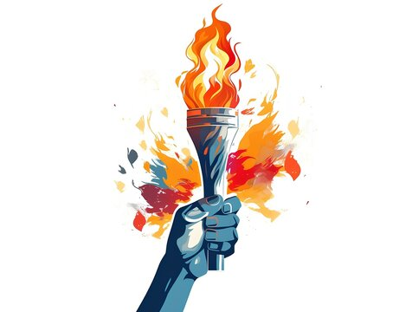

8

GAMES

5042
5016
5258

GOLD
SILVER
BRONZE

Gender Distribution across the Years
 | Men | Women
1976 | 924 | 381
1980 | 958 | 429
1984 | 973 | 486
1988 | 1011 | 535
1992 | 1105 | 600
1996 | 1082 | 777
2000 | 1126 | 889
2004 | 1099 | 899
2008 | 1110 | 932
 | Count of Medal | Distinct Count of Country_Code
1st World | 5405 | 9
2nd World | 2340 | 10
3rd World | 7571 | 109

